Wedding Budget
Wedding date: | TELL MEEEE :)
Total budgeted |  |  | Total spent | £-
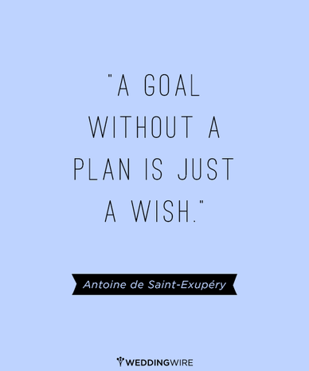
Category | Item | Estimated | Actual | Paid | Left to pay | Date Due
Ceremony | Notice of marriage |  |  |  | £0.00 | Paid Off
 | Church ceremony |  |  |  | £0.00 | Paid Off
 | Organist |  |  |  | £0.00 | Paid Off

Reception | Venue hire |  |  |  | £0.00 | Paid Off
 | Food + crockery |  |  |  | £0.00 | Paid Off
 | Wait Staff |  |  |  | £0.00 | Paid Off
 | Wedding cake |  |  |  | £0.00 | Paid Off
 | Flowers |  |  |  | £0.00 | Paid Off
 | Table number holders |  |  |  | £0.00 | Paid Off
 | Table plan |  |  |  | £0.00 | 31st March
 | Favours |  |  |  | £0.00 | Paid Off
 | Guest book |  |  |  | £0.00 | Paid Off
 | Wedding insurance |  |  |  | £0.00 | Paid Off
 | Glasses |  |  |  | £0.00 | Paid Off
 | Church Décor |  |  |  | £0.00 | Paid Off
 | Venue decor |  |  |  | £0.00 | Paid Off
 | Drinks |  |  |  | £0.00 | 5th April

Clothes | Wedding dress and alterations |  |  |  | £0.00 | Paid Off
 | Shoes, veil, and jewellery |  |  |  | £0.00 | Paid Off
 | Lingerie |  |  |  | £0.00 | N/A
 | Bridesmaids dresses |  |  |  | £0.00 | N/A
 | Flower girls outfits |  |  |  | £0.00 | N/A
 | Page boys outfits |  |  |  | £0.00 | N/A
 | Groom’s clothes / accessories |  |  |  | £0.00 | Paid Off
 | Groomsmen’s clothes |  |  |  | £0.00 | Paid Off
 | African Attire |  |  |  | £0.00 | Paid Off

Beauty | Hairdressing |  |  |  | £0.00 | N/A
 | Make up |  |  |  | £0.00 | Paid Off

Rings | Wedding rings |  |  |  | £0.00 | Paid Off

Stationery | Invites |  |  |  | £0.00 | Paid Off
 | Postage |  |  |  | £0.00 | Paid Off
 | Order of Service |  |  |  | £0.00 | Paid Off

Photos and video | Photographer |  |  |  | £0.00 | Paid Off
 | Videographer |  |  |  | £0.00 | N/A

Transport | Hire wedding car |  |  |  | £0.00 | Paid Off

Entertainment | Evening DJ |  |  |  | £0.00 | Paid Off
 | Entertainer |  |  |  | £0.00 | Paid Off

Honeymoon | Flights & Hotel |  |  |  | £0.00 | Paid Off
 | Wedding Night Hotel |  |  |  | £0.00 | Paid Off
 | Spending money |  |  |  | £0.00 | 11th April

 |  | Budgeted | Actual cost | Paid | To pay
Totals |  | £0.00 | £0.00 | £0.00 | £0.00

 | Liability | Assets |  | Balance
Wedding Account | £0.00 | £0.00 |  | £0.00
March Contribution (R+P) |  |  |  | £0.00
 |  |  |  | £0.00
 |  |  |  | £0.00
 |  |  |  | £0.00
Balance | £0.00 | £0.00 |  | £0.00

Accounts to Be Settled: 5th April | Owner | Amount

 |  |  | Staff | £ | Hrs | £
 |  |  | 2 |  |  | 0.00
 |  |  | 2 |  |  | 0.00
 |  |  |  |  |  | £0.00
Total |  | £0.00

